Sheet1
 | Outline: | Characterize resistance measurements relative to fluid level for multiple Fuel Level Sending units used for the Nissan Z31
2021-01-09
 | Test 1: | Add Distilled water to clean Z31 fuel tank in 1 gallon increments. Insert fuel level sender (fully seated) and take resistance measurement at both main and sub terminals. Repeat measurement for additional sensors. Add gallon of distilled water, repeat measurements until tank capacity (20.3gal) is reached.
 | Note: | Analog sensor #2 was found to have a ground plane that was worn through and gave erratic measurements. Analog sensor #3 was broken on the clip end and was corroded, decision was not to measure it.
 |  | The traces of the resistor material of the analog sensor are distinct from the traces found on the digital sensor. The float appears to be the same between the two.
 |  | The lever style sensor is very linear in its measurement and gave stable readings.
 | Additional: | Insert Stainless ruler in opening for fuel pump and note incremental fluid height from bottom of tank.
Fluid level from bottom of tank (pump baffle) (mm) | Main | Level (gal) | 84T GLL Slide pot sensor (Ω) Digital | 84 AE Slide pot sensor (Ω) Digital | 86 Slide pot sensor (Ω) Digital | Avg | unk Slide pot sensor (Ω) Analog 1 | unk Slide pot sensor (Ω) Analog 2 | 88T Slide pot sensor (Ω) Analog 3
0 |  | 0 | 0 | 0 | 0 | 0 | 24260 | too erratic | damaged
27 |  | 1 | 0 | 0 | 0 | 0 | 23920
42 |  | 2 | 0 | 1003 | 1252 | 1128 | 21310
58 |  | 3 | 840 | 731 | 1000 | 857 | 12630
68 |  | 4 | 701 | 545 | 730 | 659 | 10160
80 |  | 5 | 452 | 489 | 627 | 523 | 7440
95 |  | 6 | 340 | 383 | 506 | 410 | 5970
108 |  | 7 | 255 | 307 | 393 | 318 | 4630
120 |  | 8 | 216 | 244 | 309 | 256 | 3260
136 |  | 9 | 169 | 214 | 278 | 220 | 1790
147 |  | 10 | 138 | 178 | 220 | 179 | 1230
156 |  | 11 | 111 | 135 | 159 | 135 | 868
169 |  | 12 | 96 | 104 | 115 | 105 | 641
182 |  | 13 | 72 | 95 | 103 | 90 | 490
195 |  | 14 | 57 | 73 | 74 | 68 | 212
204 |  | 15 | 56 | 55 | 43 | 51 | 128
216 |  | 16 | 38 | 50 | 47 | 45 | 70
228 |  | 17 | 31 | 19 | 36 | 29 | 39
240 |  | 18 | 2 | 6 | 1 | 3 | 26
253 |  | 19 | 2 | 6 | 1 | 3 | 26
262 |  | 20 | 2 | 6 | 1 | 3 | 26

 | Sub | Level (gal) | 84T GLL Slide pot sensor (Ω) Digital | 84 AE Slide pot sensor (Ω) Digital | 86 Slide pot sensor (Ω) Digital | Avg | unk Slide pot sensor (Ω) Analog 1
 |  | 0 | 0 | 0 | 0 | 0.0 | 130
 |  | 1 | 770 | 700 | 1000 | 823.3 | 108
 |  | 2 | 778 | 573 | 1000 | 783.7 | 225
 |  | 3 | 774 | 200 | 361 | 445.0 | 280
 |  | 4 | 245 | 55 | 119 | 139.7 | 373
 |  | 5 | 88.5 | 15.4 | 22.4 | 42.1 | 460
 |  | 6 | 20 | 7.9 | 2.5 | 10.1 | 540
 |  | 7 | 5.5 | 7.5 | 2.4 | 5.1 | 571
 |  | 8 | 5.1 | 7.3 | 2.3 | 4.9 | 611
 |  | 9 | 5 | 7.2 | 2.3 | 4.8 | 618
 |  | 10 | 5 | 7.2 | 1.9 | 4.7 | 618
 |  | 11 | 4.5 | 7.2 | 1.9 | 4.5 | 620
 |  | 12 | 5.2 | 7.2 | 1.9 | 4.8 | 3898
 |  | 13 | 4.6 | 7.2 | 1.9 | 4.6 | 3826
 |  | 14 | 4.5 | 7.2 | 1.9 | 4.5 | 3618
 |  | 15 | 4.4 | 7.2 | 1.9 | 4.5 | 3519
 |  | 16 | 4.3 | 7.2 | 1.9 | 4.5 | 343
 |  | 17 | 4.2 | 7.2 | 1.9 | 4.4 | 337
 |  | 18 | 4.1 | 7.2 | 1.9 | 4.4 | 331
 |  | 19 | 4.1 | 7.2 | 1.9 | 4.4 | 324
 |  | 20 | 4.1 | 7.2 | 1.9 | 4.4 | 306

 | Level (gal) | Main | 88 Float style sensor (Ω) (PN 25060-17P65) | Sub | 88 Float style sensor (Ω) (PN 25060-17P65)
 | 0 |  | 79 |  | 3.1
 | 1 |  | 79 |  | 3.0
 | 2 |  | 79 |  | 12.3
 | 3 |  | 61 |  | 19.4
 | 4 |  | 56 |  | 30.1
 | 5 |  | 51 |  | 48.8
 | 6 |  | 45 |  | 96.0
 | 7 |  | 42 |  | 127.0
 | 8 |  | 38 |  | 273.0
 | 9 |  | 34 |  | 275.0
 | 10 |  | 31 |  | 273.0
 | 11 |  | 29 |  | 273.0
 | 12 |  | 26 |  | 273.0
 | 13 |  | 23 |  | 273.0
 | 14 |  | 19 |  | 273.0
 | 15 |  | 14 |  | 273.0
 | 16 |  | 10 |  | 273.0
 | 17 |  | 5 |  | 273.0
 | 18 |  | 3 |  | 273.0
 | 19 |  | 3 |  | 273.0
 | 20 |  | 3 |  | 273.0

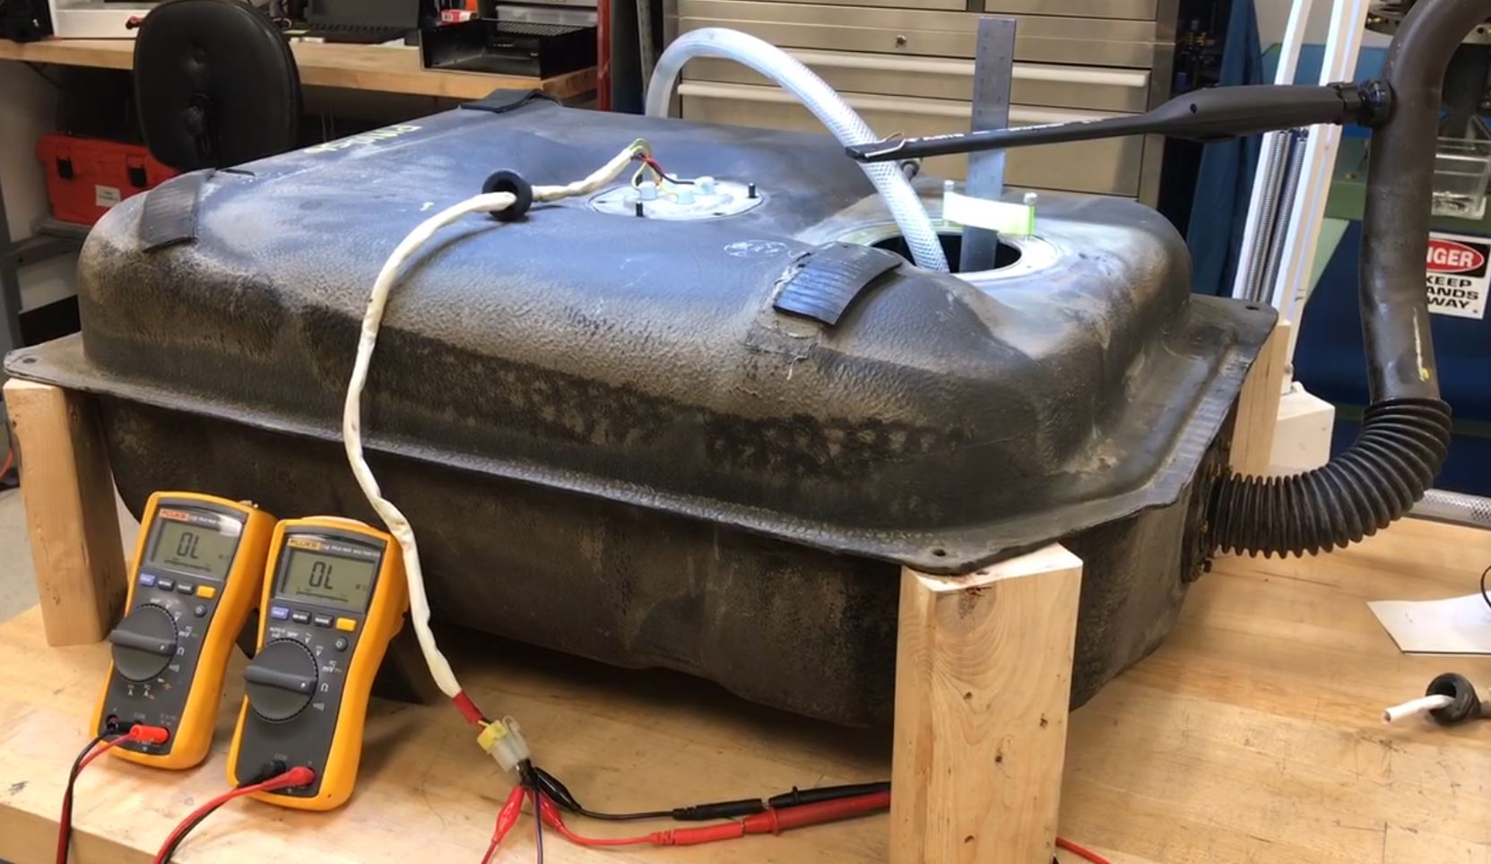
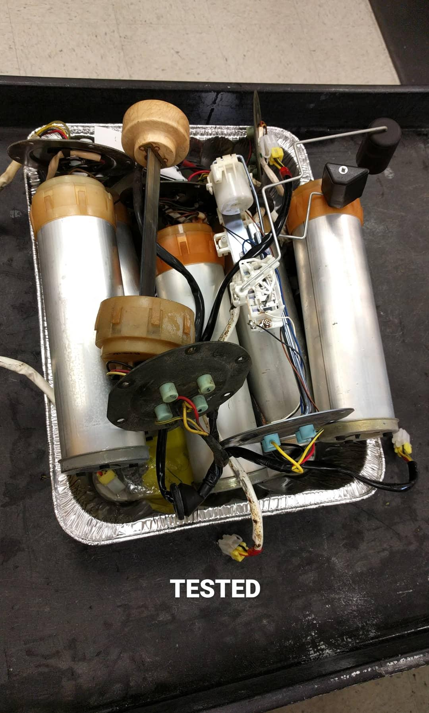
 | Reference:

 | https://z31performance.com/forum/z31-basics/how-to-guides-basic/14494-how-to-fix-erratic-fuel-level-reading-on-digital-dash
 | https://z31performance.com/forum/z31-repairs-forums/electronics/534330-fuel-level-sender-operation-with-digital-dash
 | https://imgur.com/a/CjV9w
 | https://www.reddit.com/r/300zx/comments/kplpoj/need_to_know_where_these_plugs_go/

